Sheet1
Name | Description | Image
41U 4 Post Knockdown Open Frame Rack | Fully adjustable rails from 7" to 33" Assembles in less than 45 minutes 2,000 lb. weight capacity 19" EIA compliant Made in the USA Limited Lifetime Warranty | 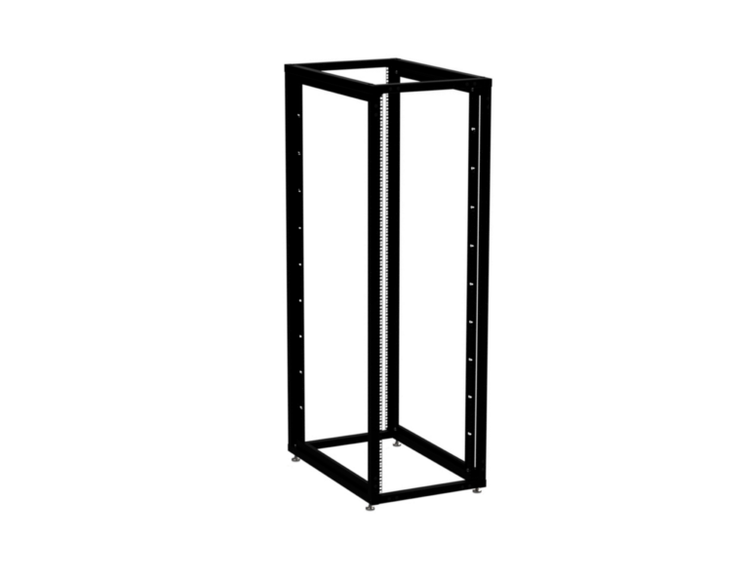 Rack/Rack_Images\41U_4_Post_Knockdown_Open_Frame_Rack.jpg
42U LINIER® Server Cabinet - No Doors/No Side Panels - 36" Depth | No doors or side panels 36" depth (Also available with a 24" depth) Other sizes available: 22U, 27U, 37U 1300 lb. weight capacity (Holds 800 lbs. on casters) Top includes removable laser knockouts Includes two sets of adjustable cage nut style mounting rails Includes preinstalled casters and levelers 5-Year Limited Warranty Also available in 3170-3-024-42,3170-3-001-37,3170-3-024-37, 3170-3-001-27,3170-3-024-22, 3170-3-001-22 | 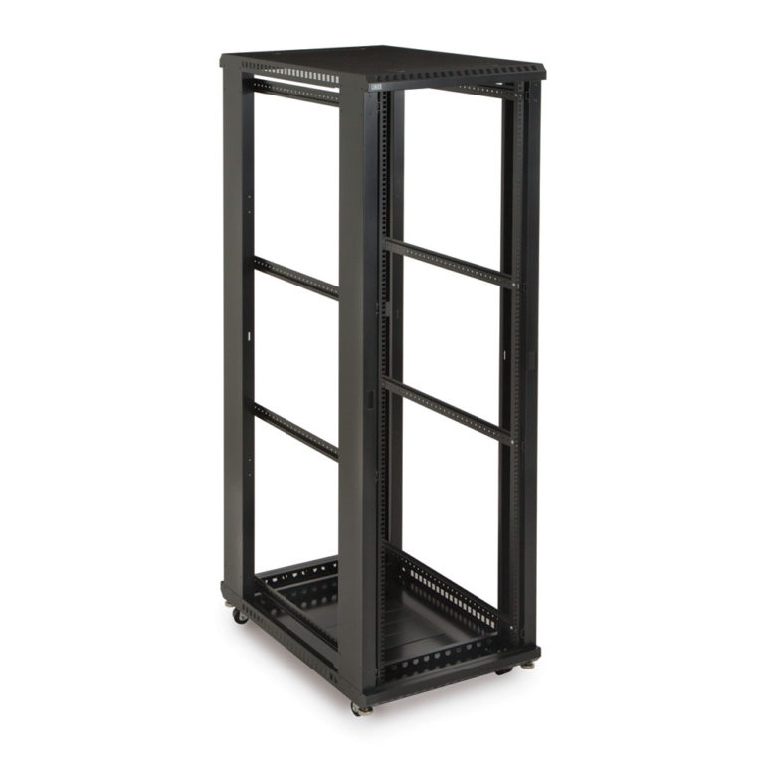 Rack/Rack_Images\42U_LINIER®_Server_Cabinet_-_No_DoorsNo_Side_Panels_-_36_Depth.jpg
24U 2-Post Relay Rack | 10-32 tapped rails Gangable Ships knocked down Constructed of 14 gauge steel. Also available in 1911-3-000-41,1911-3-200-45 | 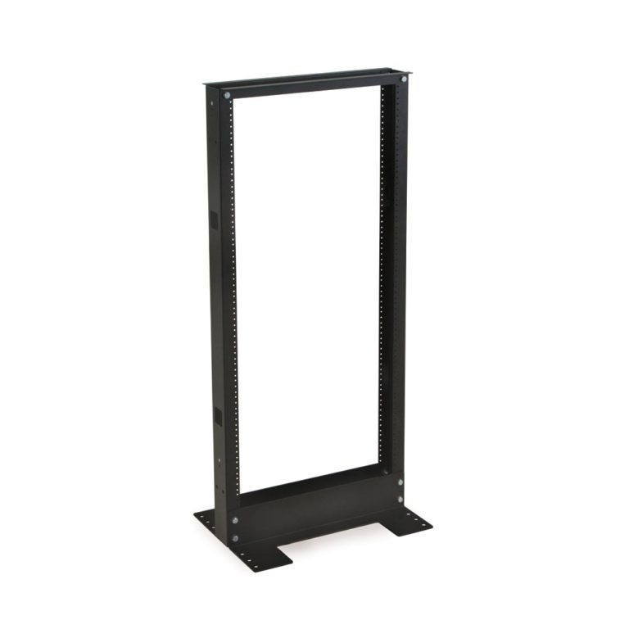 Rack/Rack_Images\24U_2-Post_Relay_Rack.jpg
45U LINIER® Server Cabinet - Glass/Glass Doors - 24" Depth | Includes two locking tempered glass doors Removable locking side panels 24” depth (Also available with a 36” depth) Other sizes available: 22U, 27U, 37U, and 42U 1300 lb. weight capacity (Holds 800 lbs. on casters) Top includes removable laser knockouts Includes two sets of adjustable cage nut style mounting rails Includes preinstalled casters and levelers 5-Year Limited Warranty | 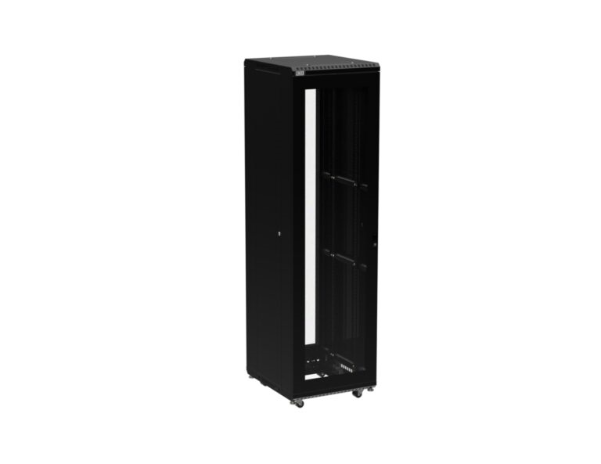 Rack/Rack_Images\45U_LINIER®_Server_Cabinet_-_GlassGlass_Doors_-_24_Depth.jpg
45U LINIER® Server Cabinet - Glass/Glass Doors - 36" Depth | Includes two locking tempered glass doors Removable locking side panels 36" depth (Also available with a 24" depth) Other sizes available: 22U, 27U, 37U, and 42U 1300 lb. weight capacity (Holds 800 lbs. on casters) Top includes removable laser knockouts Includes two sets of adjustable cage nut style mounting rails Includes preinstalled casters and levelers 5-Year Limited Warranty. Also available in 3101-3-024-45,3101-3-001-45 3100-3-001-45,3107-3-001-45 | 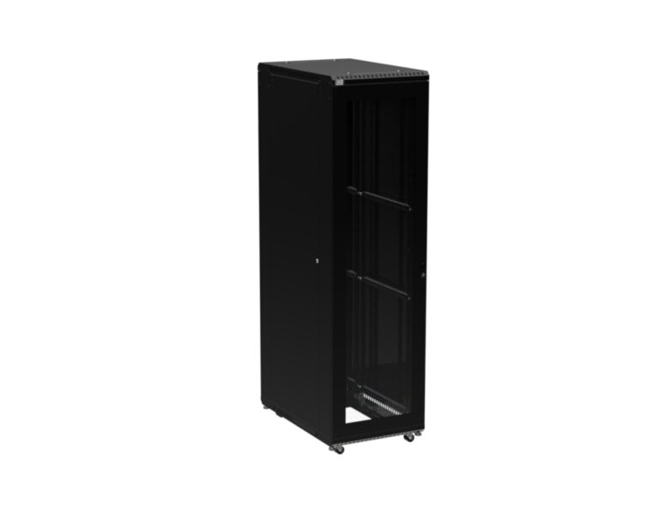 Rack/Rack_Images\45U_LINIER®_Server_Cabinet_-_GlassGlass_Doors_-_36_Depth.jpg
45U LINIER® Server Cabinet - Glass/Vented Doors - 24" Depth | Includes one locking tempered glass door and one locking vented door Removable locking side panels 24” depth (Also available with a 36” depth) Other sizes available: 22U, 27U, 37U, and 42U 1300 lb. weight capacity (Holds 800 lbs. on casters) Top includes removable laser knockouts Includes two sets of adjustable cage nut style mounting rails Includes preinstalled casters and levelers 5-Year Limited Warranty. Also available in 3107-3-024-45 | 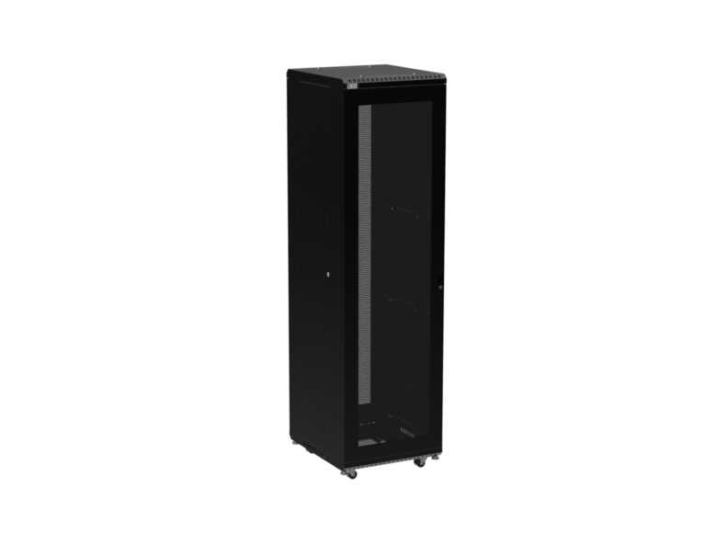 Rack/Rack_Images\45U_LINIER®_Server_Cabinet_-_GlassVented_Doors_-_24_Depth.jpg
45U LINIER® Server Cabinet - No Doors With Side Panels - 36" Depth | No doors or side panels 36" depth (Also available with a 24" depth) Other sizes available: 22U, 27, 37U, and 42U 1300 lb. weight capacity (Holds 800 lbs. on casters) Top includes removable laser knockouts Includes two sets of adjustable cage nut style mounting rails Includes preinstalled casters and levelers 5-Year Limited Warranty. Also available in 3180-3-024-42 | 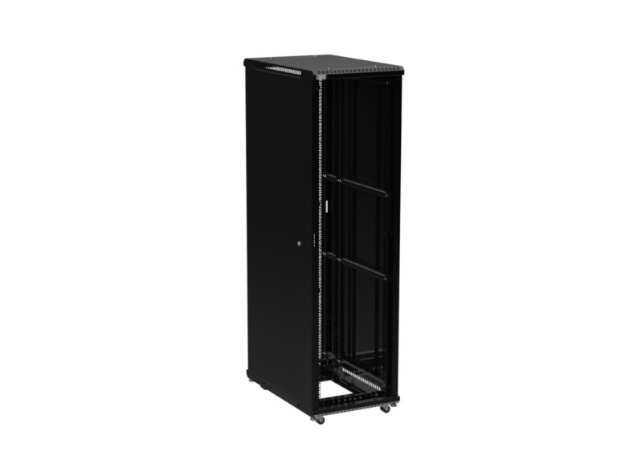 Rack/Rack_Images\45U_LINIER®_Server_Cabinet_-_No_Doors_With_Side_Panels_-_36_Depth.jpg
45U LINIER® Server Cabinet - No Doors/No Side Panels- 24" Depth | No doors or side panels 24" depth (Also available with a 36" depth) Other sizes available: 22U, 27U, 37U, and 42U 1300 lb. weight capacity (Holds 800 lbs. on casters) Top includes removable laser knockouts Includes two sets of adjustable cage nut style mounting rails Includes preinstalled casters and levelers 5-Year Limited Warranty Features. Also available in 3170-3-001-45 | 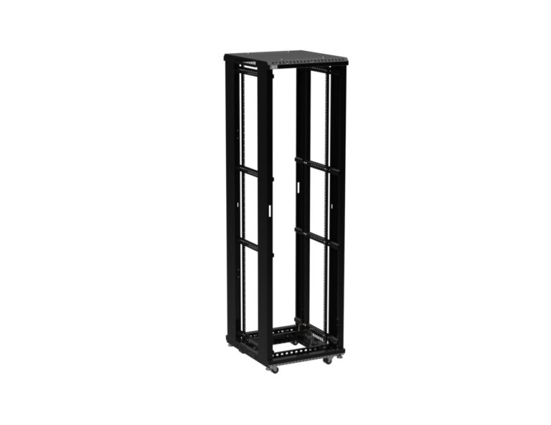 Rack/Rack_Images\45U_LINIER®_Server_Cabinet_-_No_DoorsNo_Side_Panels-_24_Depth.jpg
45U LINIER® Server Cabinet - Solid/Solid Doors - 24" Depth | Includes two locking solid doors Removable locking side panels 24” depth (Also available with a 36” depth) Other sizes available: 22U, 27U, 37U, and 42U 1300 lb. weight capacity (Holds 800 lbs. on casters) Top includes removable laser knockouts Includes two sets of adjustable cage nut style mounting rails Includes preinstalled casters and levelers 5-Year Limited Warranty Features. Also available in 3108-3-001-45, 3106-3-024-45 3106-3-001-45 | 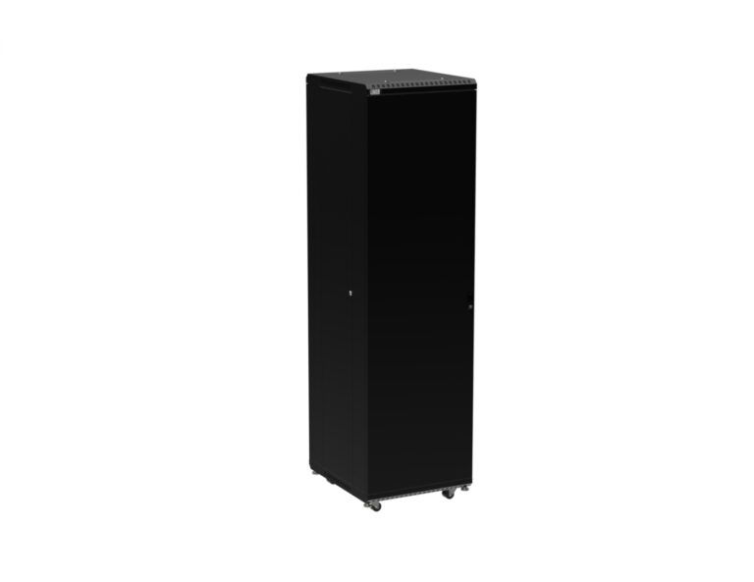 Rack/Rack_Images\45U_LINIER®_Server_Cabinet_-_SolidSolid_Doors_-_24_Depth.jpg
42U LINIER® Server Cabinet - Glass/Glass Doors - 36" Depth | Includes two locking tempered glass doors Removable locking side panels 36" depth (Also available with a 24" depth) Other sizes available: 22U, 27U, 37U 1300 lb. weight capacity (Holds 800 lbs. on casters) Top includes removable laser knockouts Includes two sets of adjustable cage nut style mounting rails Includes preinstalled casters and levelers 5-Year Limited Warranty. Also available 3101-3-001-42, 3100-3-001-42, 3103-3-001-37,3100-3-001-37,3101-3-001-37, 3103-3-001-27,3101-3-001-27,3101-3-001-27, 3100-3-024-27,3100-3-001-27,3103-3-001-22,3101-3-001-22, 3100-3-001-22,3100-3-001-22 | 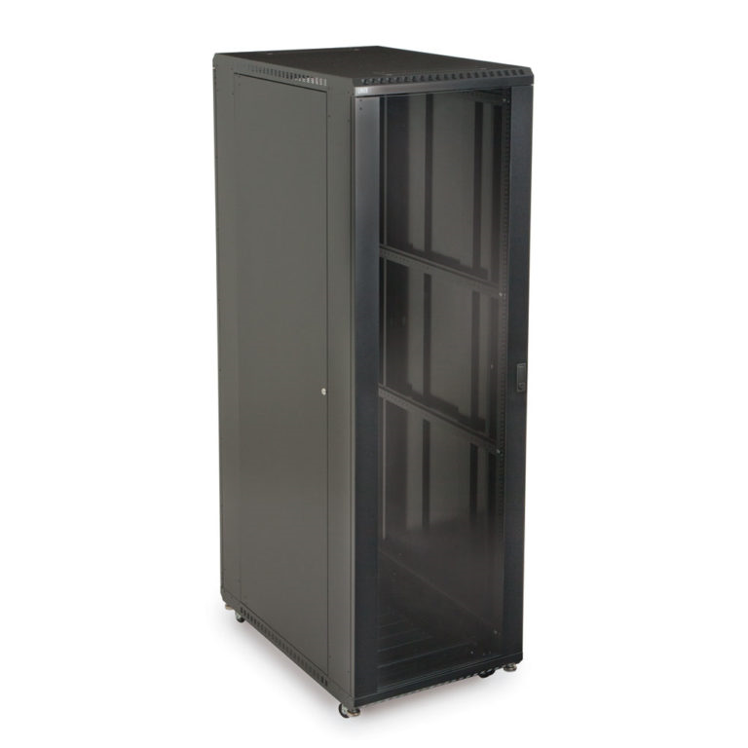 Rack/Rack_Images\42U_LINIER®_Server_Cabinet_-_GlassGlass_Doors_-_36_Depth.jpg
42U LINIER® Server Cabinet - Solid/Solid Doors - 24" Depth | Includes two locking solid doors Removable locking side panels 24” depth (Also available with a 36” depth) Other sizes available: 22U, 27U, 37U 1300 lb. weight capacity (Holds 800 lbs. on casters) Top includes removable laser knockouts Includes two sets of adjustable cage nut style mounting rails Includes preinstalled casters and levelers 5-Year Limited Warranty. Also available in 3106-3-001-42,3106-3-024-42, 3106-3-024-37,3108-3-024-37,3106-3-001-37,3106-3-001-37 3106-3-001-27,3108-3-024-27,3106-3-024-27,3108-3-001-42, 3108-3-001-37,3108-3-001-27 | 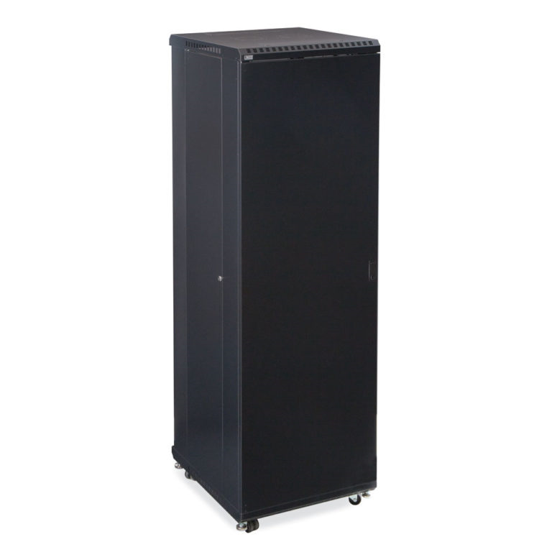 Rack/Rack_Images\42U_LINIER®_Server_Cabinet_-_SolidSolid_Doors_-_24_Depth.jpg
42U LINIER® Server Cabinet - Vented/Vented Doors - 24" Depth | Includes two locking vented doors Removable locking side panels 24” depth (Also available with a 36” depth) Other sizes available: 22U, 27U, 37U 1300 lb. weight capacity (Holds 800 lbs. on casters) Top includes removable laser knockouts Includes two sets of adjustable cage nut style mounting rails Includes preinstalled casters and levelers 5-Year Limited Warranty. Also available in 3107-3-024-37,3101-3-024-37, 3107-3-001-37,3107-3-001-27,3107-3-001-42, 3180-3-001-42,3101-3-001-27 | 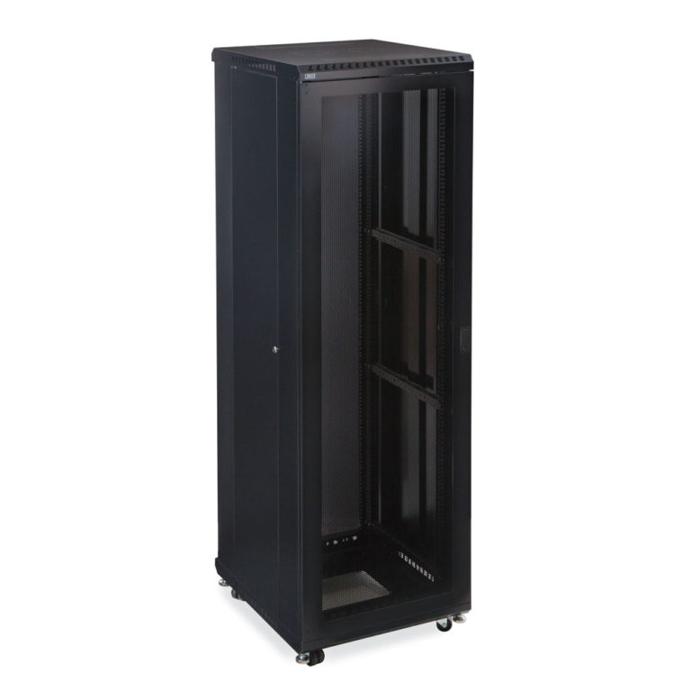 Rack/Rack_Images\42U_LINIER®_Server_Cabinet_-_VentedVented_Doors_-_24_Depth.jpg
42U LINIER® Server Cabinet - Glass/Glass Doors - 24" Depth | Includes two locking tempered glass doors Removable locking side panels 24” depth (Also available with a 36” depth) Other sizes available: 22U, 27U, 37U 1300 lb. weight capacity (Holds 800 lbs. on casters) Top includes removable laser knockouts Includes two sets of adjustable cage nut style mounting rails Includes preinstalled casters and levelers 5-Year Limited Warranty. Also available in 3101-3-024-42,3100-3-024-42, 3100-3-024-37,3103-3-024-37,3101-3-024-27, 3103-3-024-27,3103-3-024-22 | 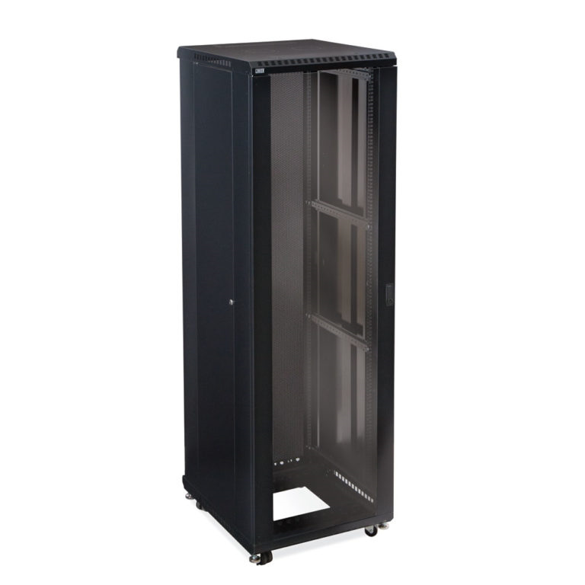 Rack/Rack_Images\42U_LINIER®_Server_Cabinet_-_GlassGlass_Doors_-_24_Depth.jpg
37U LINIER® Server Cabinet - No Doors - 24" Depth | No doors Removable locking side panels 24" depth (Also available with a 36" depth) Other sizes available: 22U, 27U, 42U 1300 lb. weight capacity (Holds 800 lbs. on casters) Top includes removable laser knockouts Includes two sets of adjustable cage nut style mounting rails Includes preinstalled casters and levelers Made in the USA 5-Year Limited Warranty. Also available in 3180-3-024-27 | 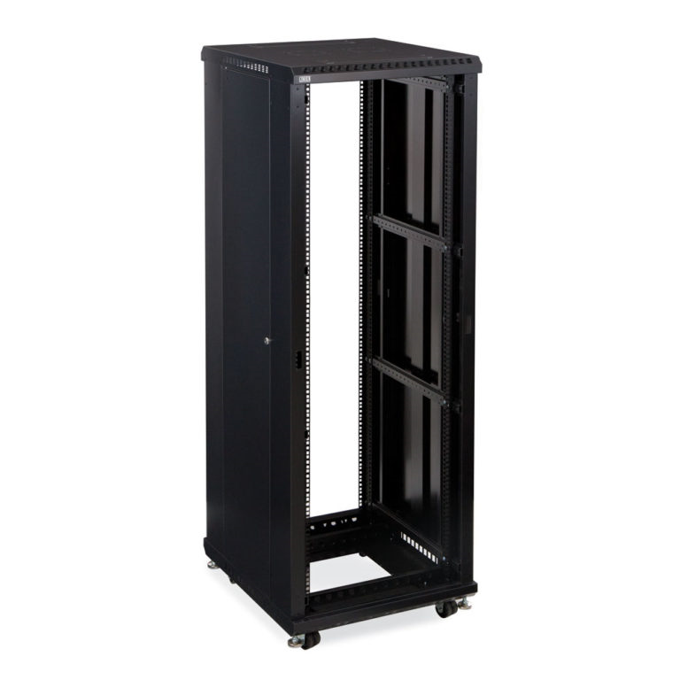 Rack/Rack_Images\37U_LINIER®_Server_Cabinet_-_No_Doors_-_24_Depth.jpg
22U LINIER® Server Cabinet - Vented/Vented Doors - 24" Depth | Includes two locking vented doors Removable locking side panels 24” depth (Also available with a 36” depth) Other sizes available: 27U, 37U, 42U 1300 lb. weight capacity (Holds 800 lbs. on casters) Top includes removable laser knockouts Includes two sets of adjustable cage nut style mounting rails Includes preinstalled casters and levelers 5-Year Limited Warranty. Also available in 3107-3-001-22,3180-3-024-22, 3180-3-001-22,3107-3-024-27,3101-3-024-22, 3100-3-024-22 | 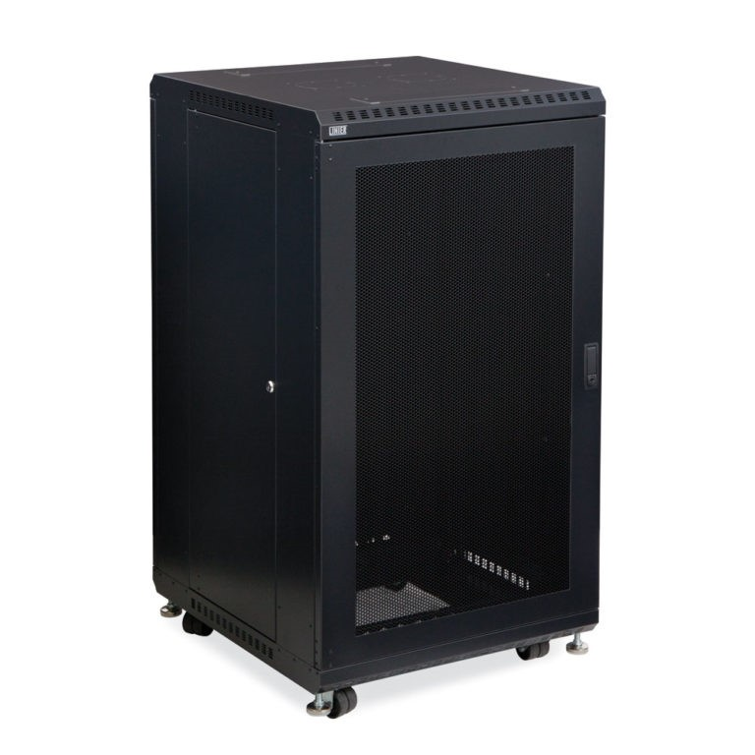 Rack/Rack_Images\22U_LINIER®_Server_Cabinet_-_VentedVented_Doors_-_24_Depth.jpg
12U Compact SOHO Server Cabinet | Locking, lift off front and rear perforated doors Includes casters and one 78 cfm fan and power cord Two sets of adjustable cage nut style rails Rails are adjustable from 3" to 28" deep 400 lb. weight capacity 19" EIA compliant Made in the USA Limited Lifetime Warranty. Also available in 1932-3-001-08 | 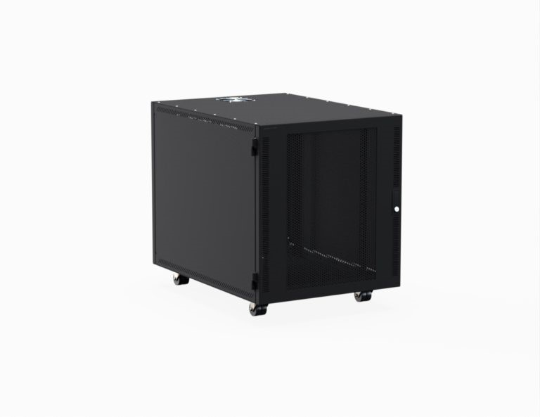 Rack/Rack_Images\12U_Compact_SOHO_Server_Cabinet.jpg
22U LINIER® Server Cabinet - Solid/Solid Doors - 24" Depth | Includes two locking solid doors Removable locking side panels 24” depth (Also available with a 36” depth) Other sizes available: 27U, 37U, 42U 1300 lb. weight capacity (Holds 800 lbs. on casters) Top includes removable laser knockouts Includes two sets of adjustable cage nut style mounting rails Includes preinstalled casters and levelers 5-Year Limited Warranty. Also available in 3108-3-001-22,3106-3-024-22, 3106-3-024-22,3106-3-001-22 | 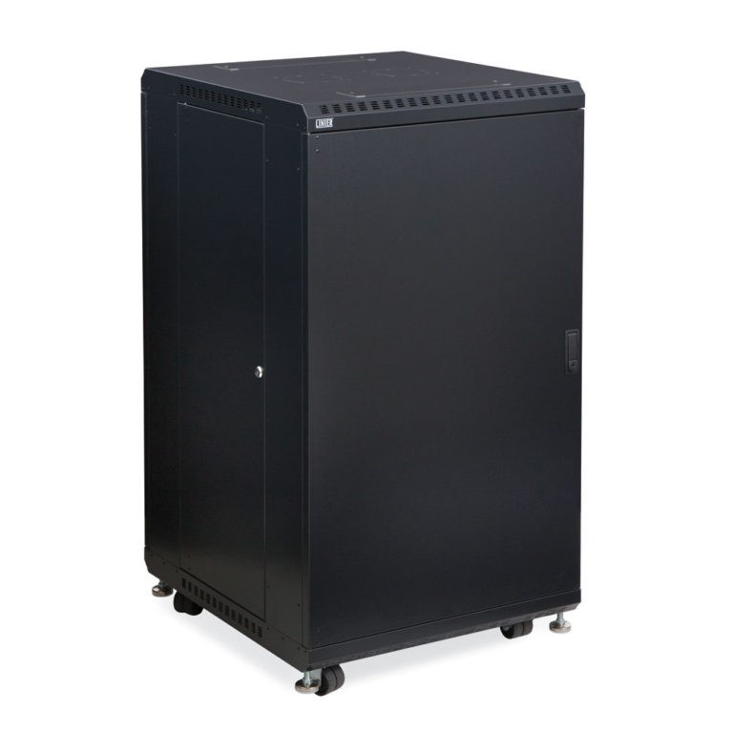 Rack/Rack_Images\22U_LINIER®_Server_Cabinet_-_SolidSolid_Doors_-_24_Depth.jpg
12U Corner Wall Mount Cabinet | 17.5" usable depth, 27" actual depth Adjustable 10-32 tapped rails Smoked acrylic front door 650 lb. load capacity 19" EIA compliant Made in the USA Limited Lifetime Warranty PATENT 8,894,161; US D672,342 | 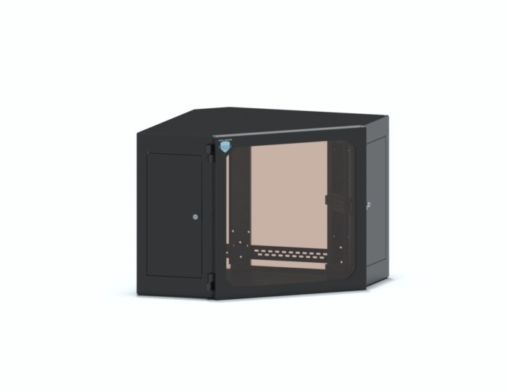 Rack/Rack_Images\12U_Corner_Wall_Mount_Cabinet.jpg
22U LINIER® Fixed Wall Mount Cabinet - Glass Door | Includes one locking tempered glass door Locking side panels 250 lb. weight capacity One set of cage nut style mounting rails Mounting depth: 22.50" 19" EIA compliant Made in the USA 5-Year Limited Warranty. Also available 3140-3-001-18,3140-3-001-15,3140-3-001-12 | 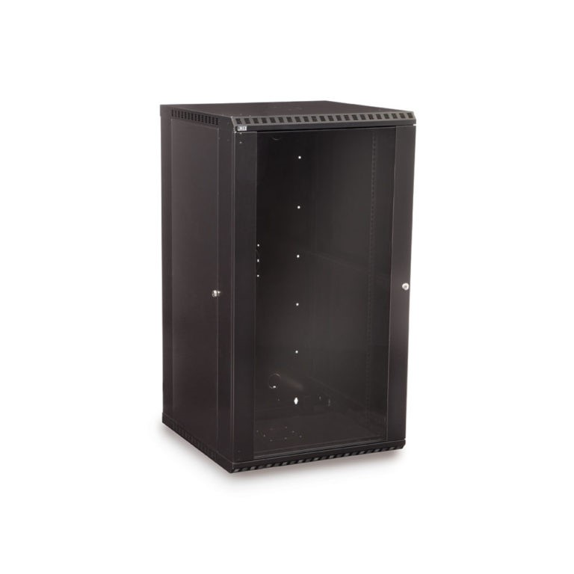 Rack/Rack_Images\22U_LINIER®_Fixed_Wall_Mount_Cabinet_-_Glass_Door.jpg
6U Enclosed V-Rack Cabinet | 150 lbs. weight capacity Adjustable vertical and horizontal mounting rails and vertical sliding rails 10" horizontal maximum usable depth/ 26" vertical maximum usable depth Locking front door Solid sides Hanging bracket for ease of installation Welded frame construction Made in the USA Limited Lifetime Warranty. Also available in EVR3U25 | 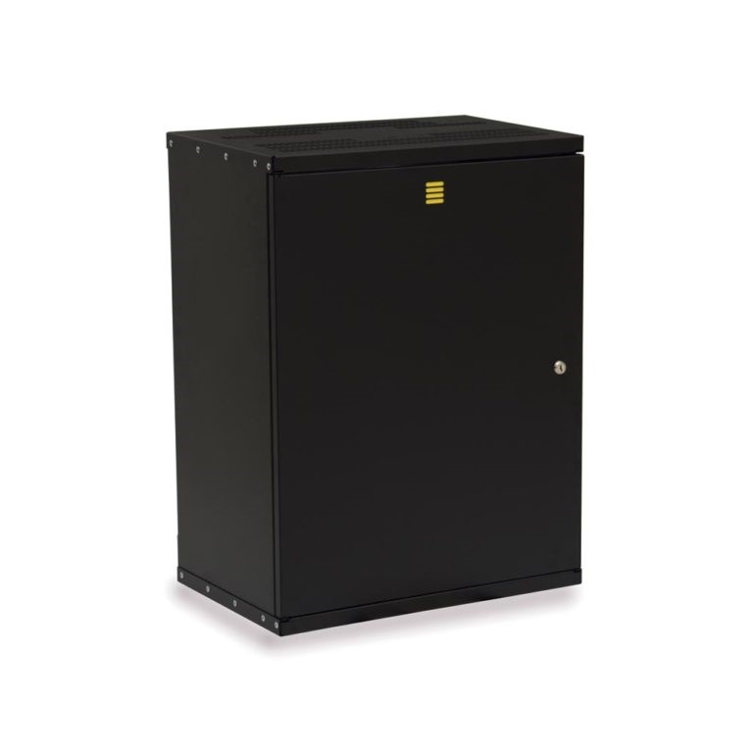 Rack/Rack_Images\6U_Enclosed_V-Rack_Cabinet.jpg
8U Security Wall Mount Cabinet | 250 lb. weight capacity Tool-less adjustable Cage Nut style rails 20" usable depth 19" EIA compliant Made in the USA Limited Lifetime Warranty | 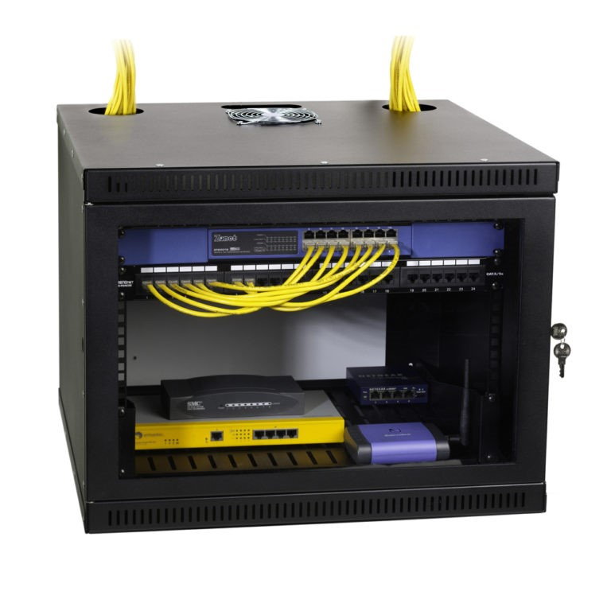 Rack/Rack_Images\8U_Security_Wall_Mount_Cabinet.jpg
9U LINIER® Fixed Wall Mount Cabinet - Vented Door | Includes one locking vented door Locking side panels 250 lb. weight capacity One set of cage nut style mounting rails Mounting depth: 22.50" 19" EIA compliant Made in the USA 5-Year Limited Warranty. Also available in 3132-3-001-09,3132-3-001-06, 3142-3-001-06,3132-3-001-22,3142-3-001-22, 3132-3-001-18,3142-3-001-18,3132-3-001-15, 3142-3-001-15,3132-3-001-12, 3142-3-001-12 | 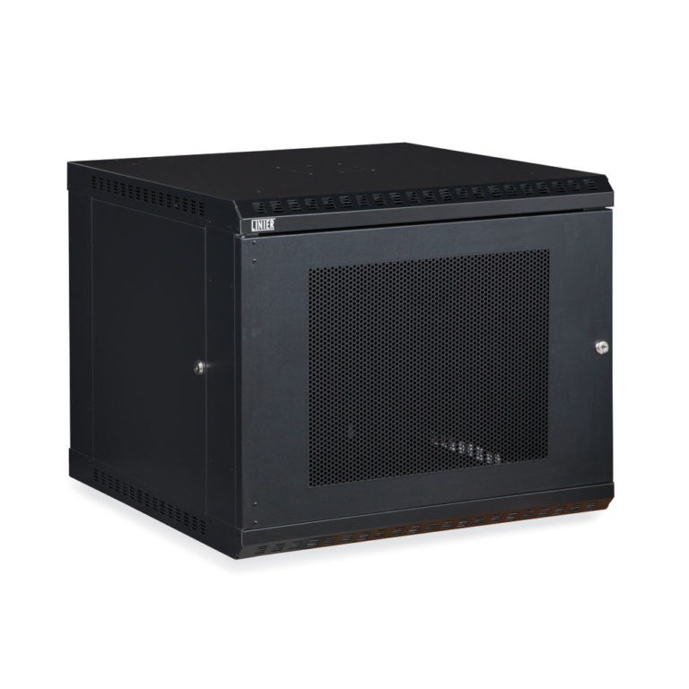 Rack/Rack_Images\9U_LINIER®_Fixed_Wall_Mount_Cabinet_-_Vented_Door.jpg
9U LINIER® Swing-Out Wall Mount Cabinet - Glass Door | Includes one locking tempered glass door Locking side panels 150 lb. weight capacity One set of cage nut style mounting rails 90 degree swing-out Mounting depth: 22.5" 19" EIA compliant Made in the USA 5-Year Limited Warranty. Also available in 3140-3-001-09,3130-3-001-06, 3141-3-001-06,3140-3-001-06,3130-3-001-22, 3130-3-001-18,3130-3-001-15,3130-3-001-12 | 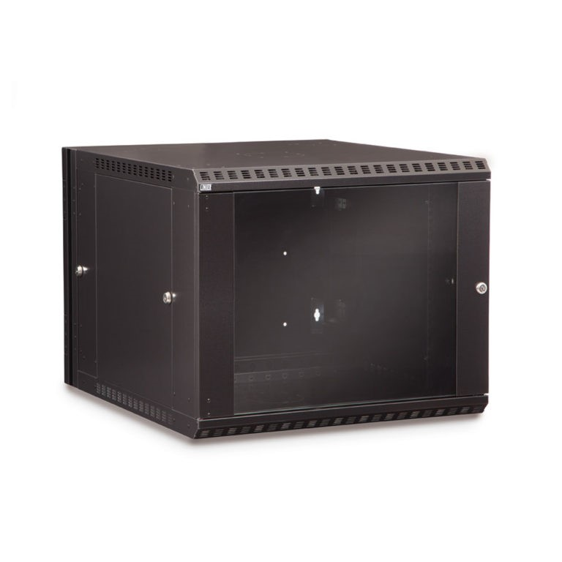 Rack/Rack_Images\9U_LINIER®_Swing-Out_Wall_Mount_Cabinet_-_Glass_Door.jpg
9U LINIER® Swing-Out Wall Mount Cabinet - Solid Door | Includes one locking solid door Locking side panels 150 lb. weight capacity One set of cage nut style mounting rails 90 degree swing-out Mounting depth: 22.5" 19" EIA compliant Made in the USA 5-Year Limited Warranty. Also available 3141-3-001-09,3131-3-001-06, 3131-3-001-22,3141-3-001-22,3131-3-001-18, 3141-3-001-18,3131-3-001-15,3141-3-001-15, 3131-3-001-12,3141-3-001-12 | 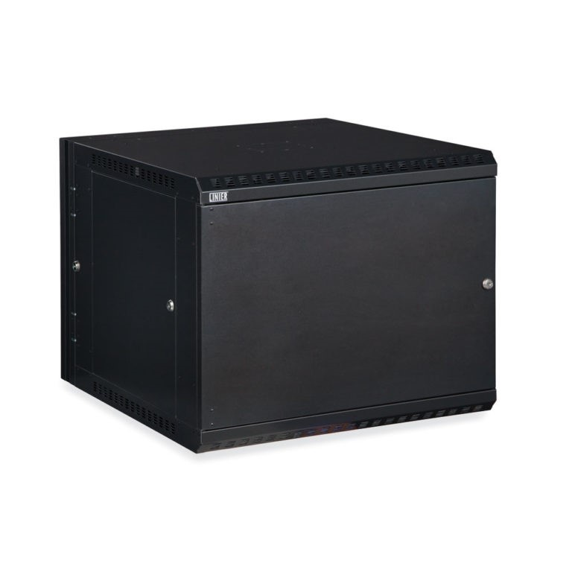 Rack/Rack_Images\9U_LINIER®_Swing-Out_Wall_Mount_Cabinet_-_Solid_Door.jpg
12U Phantom Class® Open Frame Swing-Out Rack | One set of 10-32 tapped rails 150 lb. weight capacity 20" usable mounting depth 19" EIA compliant Ships knocked down Made in the USA Limited Lifetime Warranty. Also available 1915-3-800-18 | 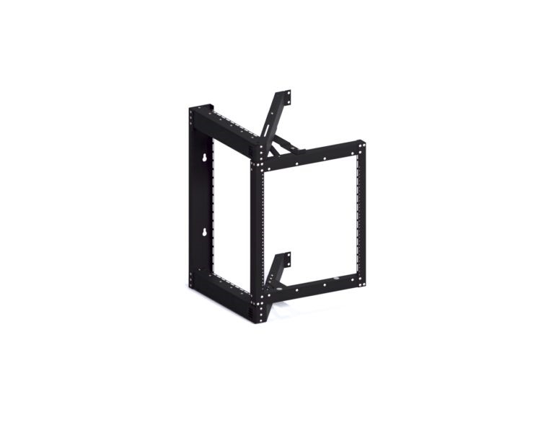 Rack/Rack_Images\12U_Phantom_Class®_Open_Frame_Swing-Out_Rack.jpg
12U Side Load Wall Mount Rack | 20" fixed mounting depth 350 lb. weight capacity 19" EIA compliant Made in the USA Limited Lifetime Warranty. Also available in 1915-3-200-08 | 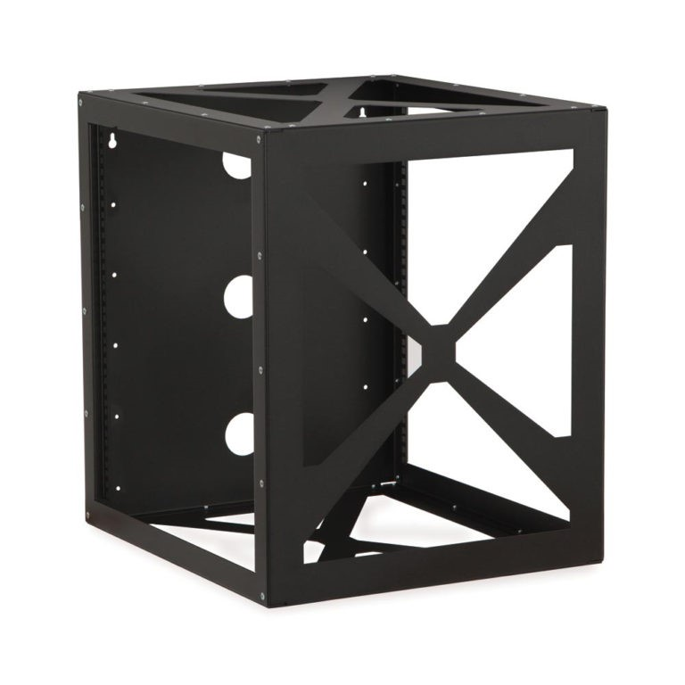 Rack/Rack_Images\12U_Side_Load_Wall_Mount_Rack.jpg
15U 18" Deep Open Frame Wall Rack | Two-piece design 18” usable depth 10-32 tapped rails Includes 25 rack screws Ships knockdown 130 lb. weight capacity 19” EIA compliant Made in the USA Limited Lifetime Warranty | 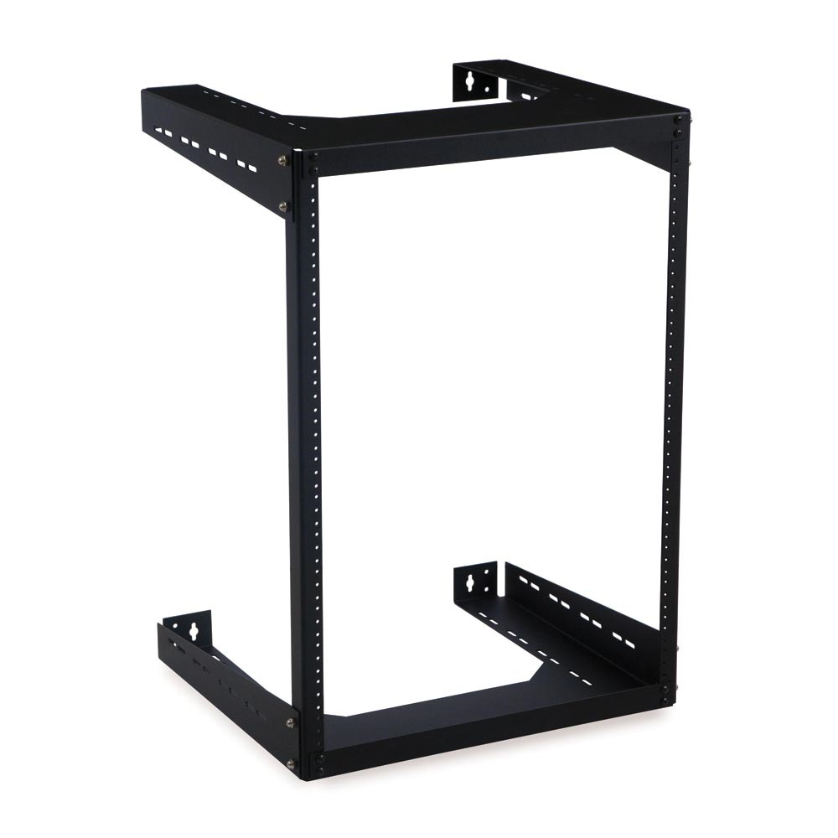 Rack/Rack_Images\15U_18_Deep_Open_Frame_Wall_Rack.jpg
16U V-Line Wall Mount Rack - 12" Depth | 12" usable depth Cage Nut or 10-32 Tapped Rails Self-squaring design 19" EIA compliant Made in the USA Limited Lifetime Warranty. Also available in 1915-3-301-16,1915-3-300-21 1915-3-301-21,1915-3-301-12 1915-3-300-12 | 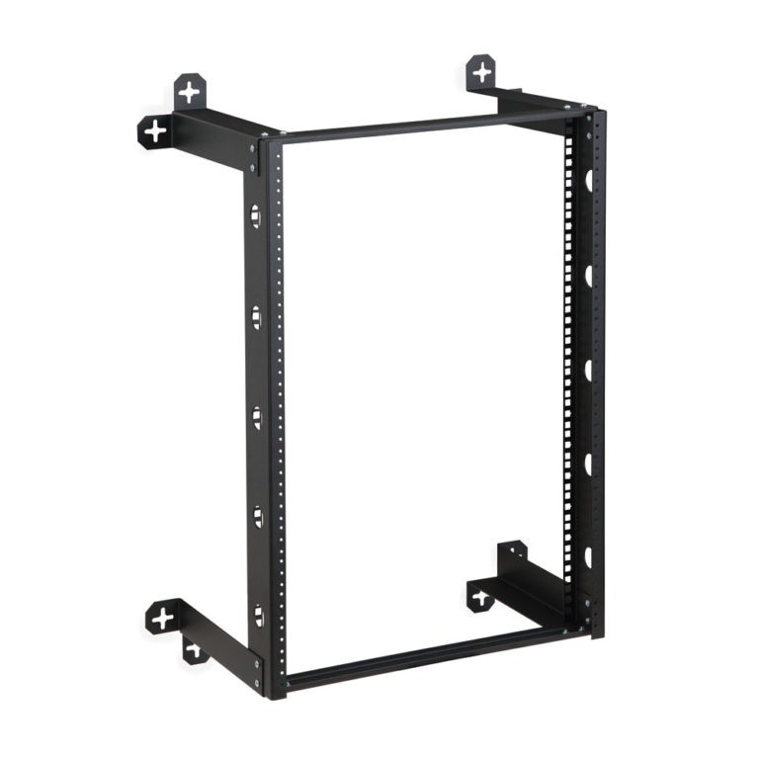 Rack/Rack_Images\16U_V-Line_Wall_Mount_Rack_-_12_Depth.jpg
4U Pivot Frame Wall Mount Rack | 10-32 tapped rails 12" depth 90 degree swing down | 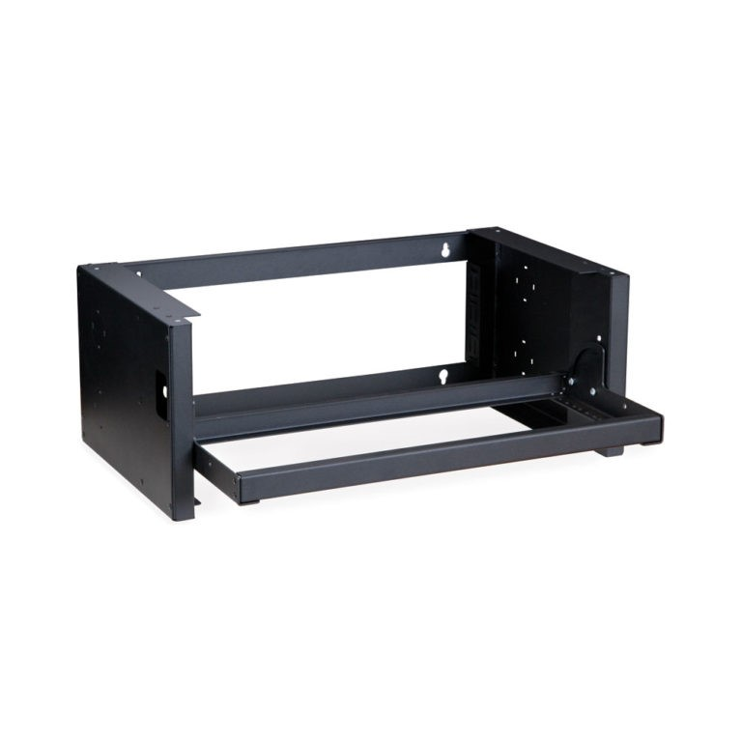 Rack/Rack_Images\4U_Pivot_Frame_Wall_Mount_Rack.jpg
8U 18" Deep Open Frame Wall Rack | Two-piece design 18” usable depth 10-32 tapped rails Includes 25 rack screws Ships knockdown 130 lb. weight capacity 19” EIA compliant Made in the USA Limited Lifetime Warranty Features | 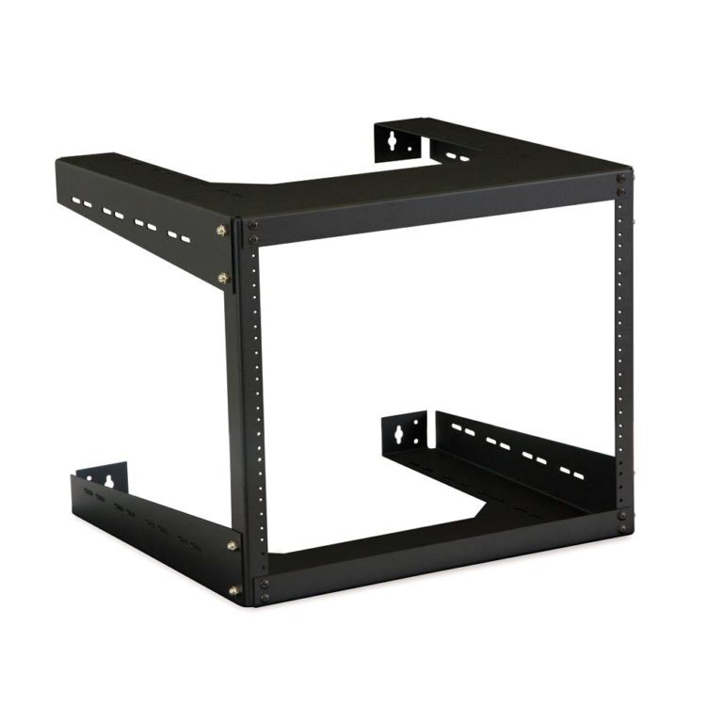 Rack/Rack_Images\8U_18_Deep_Open_Frame_Wall_Rack.jpg
8U Pivot Frame Wall Mount Rack | Compatible with the 4U and 8U Pivot Frame Wall Mount Rack 10-32 tapped rails (10-32 rack screws sold separately) Includes 12 10-32 rack screws Optional Pivot Frame Wall Mount Rack Cover available (Sold separately) Optional Pivot Frame Stationary Rackmount Brackets available (Sold separately) 12" depth 19" EIA compliant 90 degree swing down 75 lb. weight capacity Made in the USA Limited Lifetime Warranty | 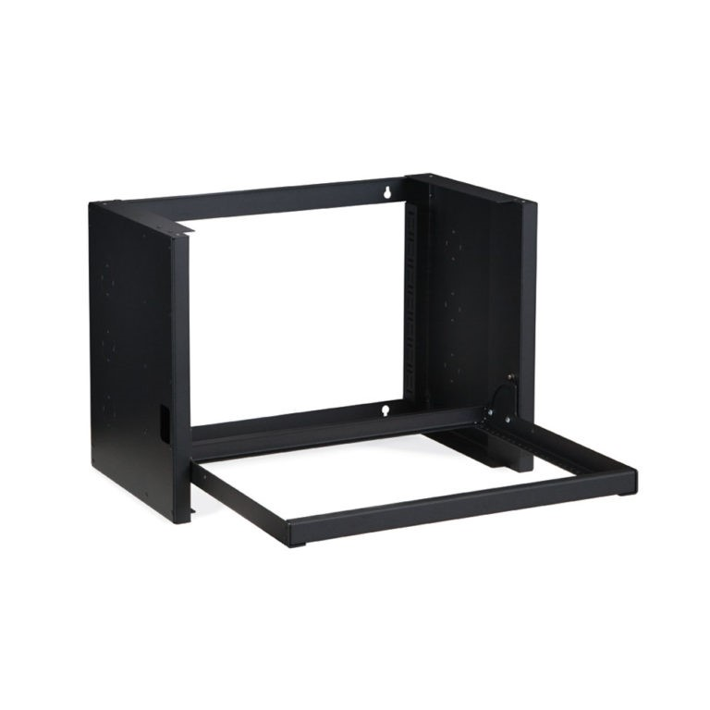 Rack/Rack_Images\8U_Pivot_Frame_Wall_Mount_Rack.jpg

